TEDB Edition 40
According to weigh-in-motion data collected by fifteen states, the majority of 5-axle tractor-trailers on the road weigh between 33,000 and 73,000 lbs. Eleven percent of the tractor-trailers had weight recorded around 72,800 lbs and 10% around 68,300 lbs. Another 10% of tractor-trailers were on the lighter end of the scale – around 37,500 lbs. These data show that only a small percent of trucks on the road are near the maximum roadway gross vehicle weight of 80,000 lbs. Thus, most trucks are filling the trailer space to capacity (cubing-out) before they reach the maximum weight limit (weighing-out).

 | Figure 5.6 Distribution of Class 8 Trucks by On-Road Vehicle Weight, 2008a
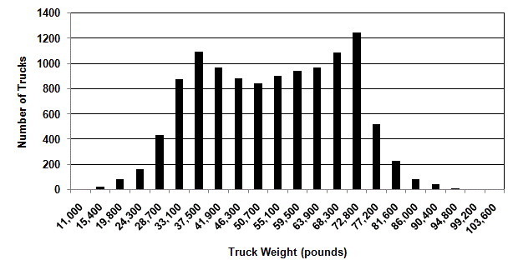

 |  | Number of | Truck Weight
 |  | Trucks | Weight (lb)
 |  | 0 | 11,000
 |  | 20 | 15,400
 |  | 80 | 19,800
 |  | 160 | 24,300
 |  | 435 | 28,700
 |  | 875 | 33,100
 |  | 1,090 | 37,500
 |  | 965 | 41,900
 |  | 880 | 46,300
 |  | 845 | 50,700
 |  | 900 | 55,100
 |  | 940 | 59,500
 |  | 965 | 63,900
 |  | 1,085 | 68,300
 |  | 1,245 | 72,800
 |  | 520 | 77,200
 |  | 230 | 81,600
 |  | 80 | 86,000
 |  | 40 | 90,400
 |  | 10 | 94,800
 |  | 0 | 99,200
 |  | 0 | 103,600

Note: Data are from these 15 States: California, Connecticut, Florida, Georgia, Hawaii, Iowa, Minnesota, Missouri, Montana, North Carolina, Oregon, Pennsylvania, South Dakota, Texas, and Washington.

Source:
National Academy of Sciences, Technologies and Approaches to Reducing the Fuel Consumption of Medium and Heavy-Duty Vehicles, prepublication copy, March 2010, p. 5-45. Original source: Federal Highway Administration, Vehicle Travel Information System, 2008.

a Study reported data on 5-axle tractor-trailers which are class 8 trucks.
Single-unit class 8 trucks were not considered in the study.

